Overview
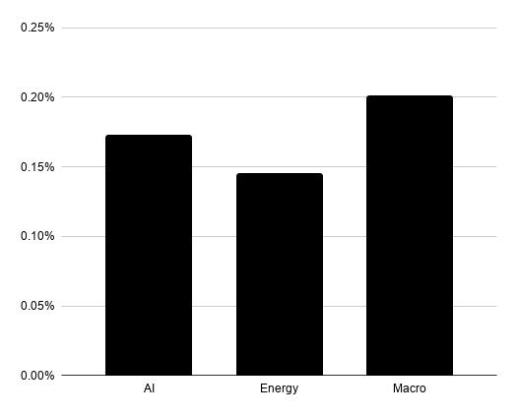
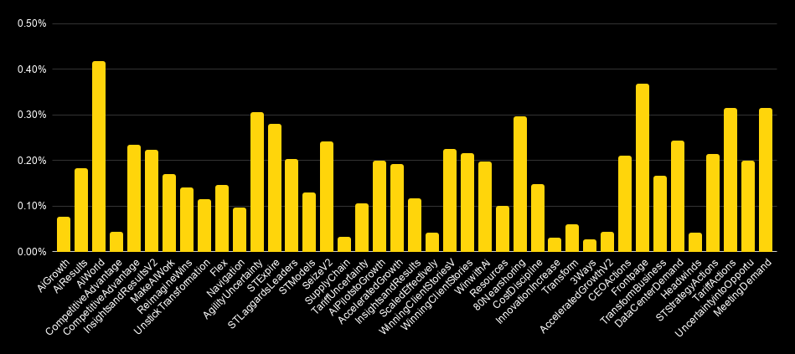
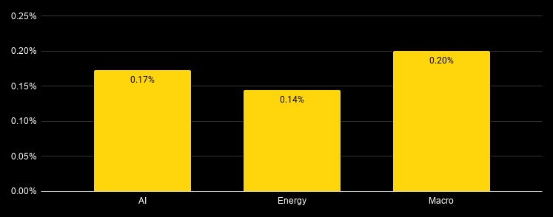
Theme | Impressions | Clicks | CTR |  | Messaging | Impressions | Clicks | CTR
AI | 13,768,512 | 23,752 | 0.17% |  | AiGrowth | 500,350 | 373 | 0.07%
Energy | 5,010,263 | 7,251 | 0.14% |  | AiResults | 2,412,424 | 4,371 | 0.18%
Macro | 7,555,626 | 15,136 | 0.20% |  | AiWorld | 421,362 | 1,753 | 0.42%
Total | 26,334,401 | 46,139 | 0.18% |  | CompetitiveAdvantageV2 | 303,494 | 124 | 0.04%
 |  |  |  |  | CompetitiveAdvantage | 2,951,506 | 6,861 | 0.23%
Month | AI | Macro | Energy |  | InsightsandResultsV2 | 868,388 | 1,930 | 0.22%
Jan |  | 0.10% |  |  | MakeAIWork | 511,987 | 859 | 0.17%
Feb | 0.22% |  |  |  | ReimagineWins | 2,550,395 | 3,556 | 0.14%
Mar | 0.19% | 0.18% |  |  | UnstickTransformation | 1,189,958 | 1,336 | 0.11%
Apr | 0.10% | 0.23% | 0.11% |  | Flex | 2,559,876 | 3,681 | 0.14%
May | 0.15% | 0.20% |  |  | Navigation | 1,039,435 | 980 | 0.09%
Jun | 0.17% |  | 0.15% |  | AgilityUncertainty | 704,550 | 2,143 | 0.30%
Jul | 0.25% | 0.20% |  |  | STExpire | 311,283 | 868 | 0.28%
Aug | 0.25% | 0.26% |  |  | STLaggardsLeaders | 144,302 | 291 | 0.20%
Sep |  | 0.12% | 0.18% |  | STModels | 1,129,836 | 1,443 | 0.13%
Oct | 0.14% |  |  |  | SeizeV2 | 2,215,971 | 5,306 | 0.24%
Nov | 0.14% |  | 0.13% |  | SupplyChain | 320,156 | 99 | 0.03% |  | 45833.33333
Dec | 0.11% |  |  |  | TariffUncertainty | 530,361 | 556 | 0.10%
 |  |  |  |  | AIPilotstoGrowth | 64,537 | 127 | 0.20%
 |  |  |  |  | AcceleratedGrowth | 69,749 | 133 | 0.19%
 |  |  |  |  | InsightsandResults | 711,901 | 813 | 0.11%
 |  |  |  |  | ScaledEffectively | 110,647 | 44 | 0.04%
 |  |  |  |  | WinningClientStoriesV2 | 47,817 | 107 | 0.22%
 |  |  |  |  | WinningClientStories | 52,846 | 113 | 0.21%
 |  |  |  |  | WinwithAi | 154,404 | 302 | 0.20%
 |  |  |  |  | Resources | 732,535 | 727 | 0.10%
 |  |  |  |  | 80Nearshoring | 132,726 | 392 | 0.30%
 |  |  |  |  | CostDiscipline | 1,036,210 | 1,520 | 0.15%
 |  |  |  |  | InnovationIncrease | 136,738 | 39 | 0.03%
 |  |  |  |  | Transform | 177,757 | 104 | 0.06%
 |  |  |  |  | 3Ways | 150,699 | 38 | 0.03%
 |  |  |  |  | AcceleratedGrowthV2 | 21,278 | 9 | 0.04%
 |  |  |  |  | CEOActions | 338,223 | 705 | 0.21%
 |  |  |  |  | Frontpage | 9,848 | 36 | 0.37%
 |  |  |  |  | Welcome | 12,207 | 20 | 0.16%
 |  |  |  |  | DataCenterDemand | 367,089 | 888 | 0.24%
 |  |  |  |  | Headwinds | 37,270 | 15 | 0.04%
 |  |  |  |  | STStrategyActions | 384,786 | 819 | 0.21%
 |  |  |  |  | TariffActions | 416,657 | 1,303 | 0.31%
 |  |  |  |  | UncertaintyintoOpportunity | 191,506 | 380 | 0.20%
 |  |  |  |  | MeetingDemand | 311,328 | 975 | 0.31%

 |  |  | Economist | AU |  | 300x600 | 34.27
 |  |  | Interscroller | 45.06
 |  |  | 300x600 | 34.27
 |  |  | 970x250 | 24.62
 |  |  | 300x250 | 23.36
 |  |  | FT | AU
 |  |  | 300x600 | 37.31
 |  |  | 970x250 | 36.22
 |  |  | Custom | 34.99
 |  |  | 300x250 | 32.46
 |  |  | WSJ | AU
 |  |  | 300x600 | 38.01
 |  |  | Custom | 37.71
 |  |  | 970x250 | 33.58 |  |  |  |  | £0.00
 |  |  | 300x250 | 30.69 |  |  |  |  | £0.00
 |  |  | 728x90 | 25.07 |  |  |  |  | £0.00
 |  |  |  |  |  |  |  | 0 | £0.00

 |  |  | 300x250 | 750,714 | 30.69 | £0.00
 |  |  | unknown | 679,079 | 37.71 | £0.00
 |  |  | 300x600 | 336,368 | 38.01 | £0.00
 |  |  | 970x250 | 44,867 | 33.58 | £0.00
 |  |  | 728x90 | 191 | 25.07

